Format Cells
SOLUTION - Format Cells

Table A:
1. Format Beginning PP&E figures as numbers with no decimal point.
2. Format D&A figures as accounting values with one digit after the decimal point.
3. Apply Number formatting to the rest of the figures in the table. To do this, use the drop-down list in the Home tab.
4. Finally, use a shortcut combo to apply a Date format to the dates in the header of the table.
Table B:
1. Use a keyboard shortcut to apply a Percentage format to the values in Column 1.
2. Use a keyboard shortcut to apply a Date format to the values in Column 2.
3. Use a keyboard shortcut to apply a Number format to the values in Column 3.

 | Table A

 |  |  | Forecast
 | $ in mln | 31-Dec-16 | 31-Dec-17 | 31-Dec-18 | 31-Dec-19 | 31-Dec-20 | 31-Dec-21
 | Beginning PP&E | 632.5 | 659.5 | 673.57628458 | 684.31621803 | 694.33449587 | 703.6796088
 | D&A | $(41.0) | $(44.3) | $(45.3) | $(46.0) | $(46.7) | $(47.3)
 | Existing fixed assets | 591.50 | 615.19 | 628.32 | 638.33 | 647.68 | 656.40
 | Capex | 68.00 | 58.39 | 56.00 | 56.00 | 56.00 | 56.00
 | Ending PP&E | 659.50 | 673.58 | 684.32 | 694.33 | 703.68 | 712.40

 | 1. Format Beginning PP&E figures as numbers with no decimal point.

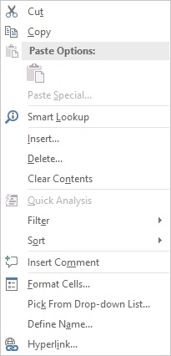

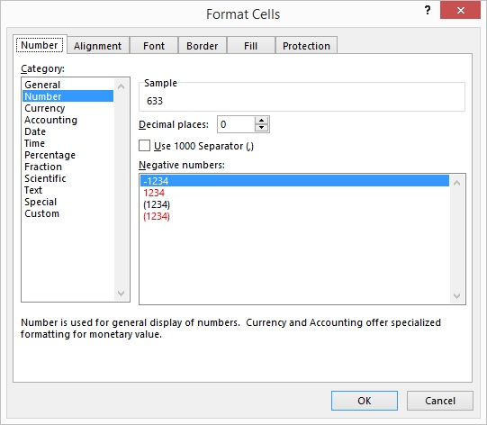

 | Table A

 |  |  | Forecast
 | $ in mln | 2016-12-31 | 2017-12-31 | 2018-12-31 | 2019-12-31 | 2020-12-31 | 2021-12-31
 | Beginning PP&E | 633 | 660 | 674 | 684 | 694 | 704
 | D&A | -41 | -44.314229249 | -45.260066553 | -45.98172216 | -46.654887074 | -47.282819563
 | Existing fixed assets | 591.5 | 615.18577075 | 628.31621803 | 638.33449587 | 647.6796088 | 656.39678923
 | Capex | 68 | 58.390513834 | 56 | 56 | 56 | 56
 | Ending PP&E | 659.5 | 673.57628458 | 684.31621803 | 694.33449587 | 703.6796088 | 712.39678923

 | 2. Format D&A figures as accounting values with one digit after the decimal point.

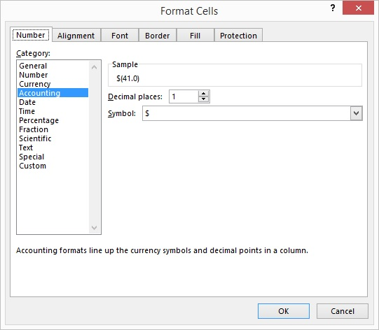

 | Table A

 |  |  | Forecast
 | $ in mln | 2016-12-31 | 2017-12-31 | 2018-12-31 | 2019-12-31 | 2020-12-31 | 2021-12-31
 | Beginning PP&E | 633 | 660 | 674 | 684 | 694 | 704
 | D&A | $(41.0) | $(44.3) | $(45.3) | $(46.0) | $(46.7) | $(47.3)
 | Existing fixed assets | 591.5 | 615.18577075 | 628.31621803 | 638.33449587 | 647.6796088 | 656.39678923
 | Capex | 68 | 58.390513834 | 56 | 56 | 56 | 56
 | Ending PP&E | 659.5 | 673.57628458 | 684.31621803 | 694.33449587 | 703.6796088 | 712.39678923

 | 3. Apply Number formatting to the rest of the figures in the table. To do this, use the drop-down list in the Home tab.

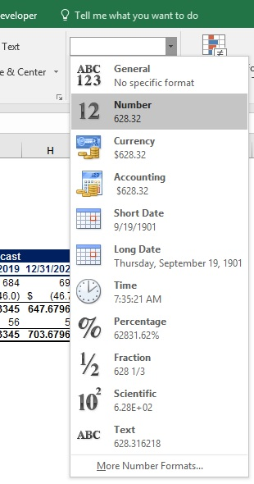

 | Table A

 |  |  | Forecast
 | $ in mln | 2016-12-31 | 2017-12-31 | 2018-12-31 | 2019-12-31 | 2020-12-31 | 2021-12-31
 | Beginning PP&E | 633 | 660 | 674 | 684 | 694 | 704
 | D&A | $(41.0) | $(44.3) | $(45.3) | $(46.0) | $(46.7) | $(47.3)
 | Existing fixed assets | 591.50 | 615.19 | 628.32 | 638.33 | 647.68 | 656.40
 | Capex | 68.00 | 58.39 | 56.00 | 56.00 | 56.00 | 56.00
 | Ending PP&E | 659.50 | 673.58 | 684.32 | 694.33 | 703.68 | 712.40

 | 4. Finally, use a shortcut combo to apply a Date format to the dates in the header of the table.

 | Table A

 |  |  | Forecast
 | $ in mln | 31-Dec-16 | 31-Dec-17 | 31-Dec-18 | 31-Dec-19 | 31-Dec-20 | 31-Dec-21
 | Beginning PP&E | 633 | 660 | 674 | 684 | 694 | 704
 | D&A | $(41.0) | $(44.3) | $(45.3) | $(46.0) | $(46.7) | $(47.3)
 | Existing fixed assets | 591.50 | 615.19 | 628.32 | 638.33 | 647.68 | 656.40
 | Capex | 68.00 | 58.39 | 56.00 | 56.00 | 56.00 | 56.00
 | Ending PP&E | 659.50 | 673.58 | 684.32 | 694.33 | 703.68 | 712.40

 |  | 1. Use a keyboard shortcut to apply a Percentage format to the values in Column 1.

 |  | Column 1
 |  | 12%
 |  | 54%
 |  | 11%
 |  | 89%
 |  | 14%

 |  | 2. Use a keyboard shortcut to apply a Date format to the values in Column 2.

 |  | Column 2
 |  | 5-Dec-30
 |  | 12-May-30
 |  | 11-Jul-24
 |  | 7-Nov-17
 |  | 5-May-23

 |  | 3. Use a keyboard shortcut to apply a Number format to the values in Column 3.

 |  | Column 3
 |  | 8,798.00
 |  | 546.00
 |  | 45.00
 |  | 9,443.00
 |  | 789,545.00

